Diazepam
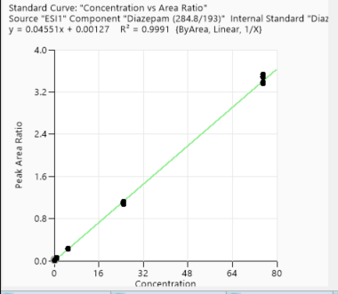
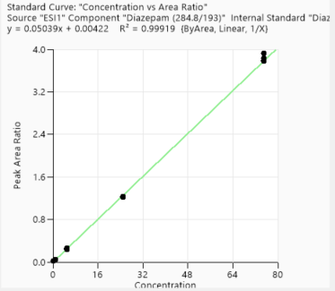
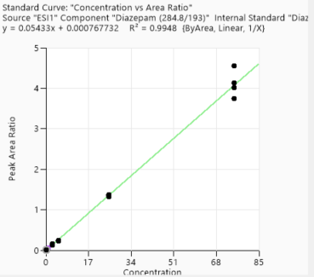
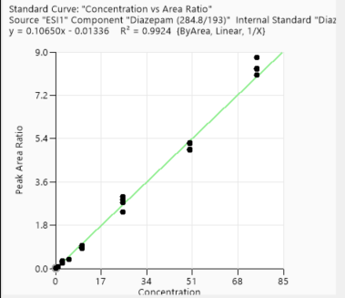
Calibration points data
 | 1st Day |  | 3rd Day |  | 2nd week | 4th week
Concentration of clabibration points/ppb | Peak area/IS Ratio |  | Peak area/IS Ratio |  | Peak area/IS Ratio | Peak area/IS Ratio
0.25 | 0.013356346 | 0.25 | 0.019367589 | 0.25 | 0.0151573 | 0.021809928
0.25 | 0.013972002 | 0.25 | 0.016358283 | 0.25 | 0.015350354 | 0.020035506
0.25 | 0.0115849 | 0.25 | 0.017720164 | 0.25 | 0.013716632 | 0.022611906
0.25 | 0.012617665 | 0.25 | 0.019883113 | 0.25 | 0.013981386 | 0.013086442
1 | 0.047497958 | 1 | 0.051715651 | 1 | 0.04664311 | 0.08603594
1 | 0.04709913 | 1 | 0.047578037 | 1 | 0.053060802 | 0.079446404
1 | 0.04929683 | 1 | 0.050176729 | 1 | 0.050897758 | N/A
1 | 0.044867422 | 1 | 0.049880254 | 1 | 0.051635203 | N/A
5 | 0.226826461 | 5 | 0.236053734 | 5 | 0.240321622 | 0.389447965
5 | 0.222169071 | 5 | 0.247420432 | 5 | 0.234275572 | 0.37849279
5 | 0.22543371 | 5 | 0.259720435 | 5 | 0.235390198 | 0.383802669
5 | 0.228186224 | 5 | 0.26049237 | 5 | 0.246884891 | N/A
25 | 1.071328011 | 25 | 1.230408654 | 25 | 1.316174242 | 2.985163697
25 | 1.08819704 | 25 | 1.21664258 | 25 | 1.353486167 | 2.746555262
25 | 1.105344582 | 25 | 1.214939897 | 25 | 1.317810638 | 2.854075893
25 | 1.090796355 | 25 | 1.234711994 | 25 | 1.37745605 | 2.355119826
75 | 3.382285947 | 75 | 3.77622145 | 75 | 4.546689779 | 8.758878377
75 | 3.483467933 | 75 | 3.929647981 | 75 | 4.139700375 | 8.314424193
75 | 3.499589335 | 75 | 3.828024505 | 75 | 3.73814081 | 8.294796475
75 | 3.499548416 | 75 | 3.792015738 | 75 | 4.019524568 | 8.053028445

Accuracy points data
 | 1st Day |  | 3rd Day |  | 2nd week | 4th week
Concentration of Accuracy points /ppb | Peak area/IS Ratio |  | Peak area/IS Ratio |  | Peak area/IS Ratio | Peak area/IS Ratio
2.5 | 0.117545544 | 2.5 | 0.13273029 | 2.5 | 0.15535176 | 0.295465787
2.5 | 0.125137745 | 2.5 | 0.139676635 | 2.5 | 0.130454471 | 0.233648809
2.5 | 0.123797079 | 2.5 | 0.127995859 | 2.5 | 0.163705294 | 0.331955317
2.5 | 0.11779974 | 2.5 | 0.139545478 | 2.5 | 0.157537771 | 0.285908967
10 | 0.464976889 | 10 | 0.524140356 | 10 | 0.522594737 | 0.945524402
10 | 0.477966769 | 10 | 0.536589935 | 10 | 0.514001126 | 0.875314435
10 | 0.468309536 | 10 | 0.511476824 | 10 | 0.545316982 | 0.891086153
10 | 0.461053947 | 10 | 0.527929265 | 10 | 0.544799962 | 0.843149779
50 | 2.542032427 | 50 | 2.793230109 | 50 | 2.904411514 | 4.960498112
50 | 2.508228433 | 50 | 2.818202619 | 50 | 2.993530153 | 4.911757368
50 | 2.540623199 | 50 | 2.81986195 | 50 | 3.013818129 | 5.221241916
50 | 2.605748215 | 50 | 2.845217874 | 50 | 3.005193652 | 5.202665578

1st day
3rd day
2nd week
4th week

Metalachlor
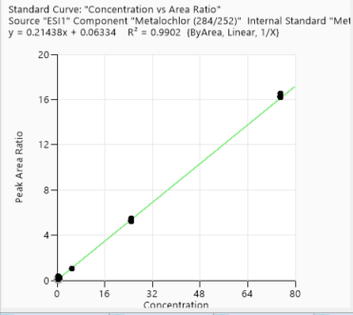
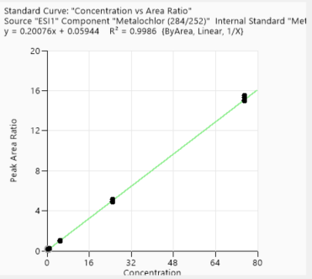
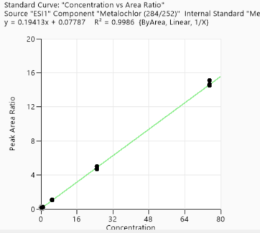
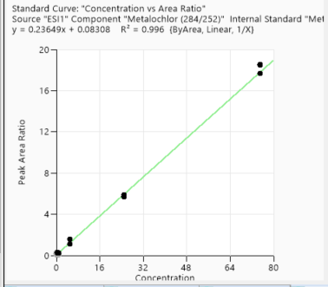
Calibration points data
 | 1st Day | 3rd Day | 2nd week | 4th week
Concentration of clabibration points/ppb | Peak area/IS Ratio | Peak area/IS Ratio | Peak area/IS Ratio | Peak area/IS Ratio
0.5 | 0.110761943 | 0.175186854 | 0.190384536 | 0.196286671
0.5 | 0.107852667 | 0.192862217 | 0.200975032 | 0.206938454
0.5 | 0.109429424 | 0.18734786 | 0.201787495 | 0.212104794
0.5 | 0.107391041 | 0.192661088 | 0.193620404 | 0.293728333
1 | 0.221632569 | 0.215332821 | 0.224305591 | 0.233349775
1 | 0.221028797 | 0.22024551 | 0.221169407 | 0.23752158
1 | 0.214953788 | 0.209488951 | 0.225565835 | N/A
1 | 0.224099501 | 0.206520612 | 0.22742578 | N/A
5 | 1.07420435 | 1.036989452 | 1.092143031 | 1.135148297
5 | 1.068055833 | 1.049937799 | 1.086464576 | 1.116384838
5 | 1.071855993 | 1.008217188 | 1.066016198 | 1.133350368
5 | 1.067832819 | 1.031469642 | 1.052594029 | 1.591439689
25 | 5.360704458 | 4.978706142 | 5.027815872 | 5.922350938
25 | 5.460604939 | 5.131561326 | 5.042333498 | 5.757979386
25 | 5.49607169 | 5.130822844 | 4.689539562 | 5.725912095
25 | 5.323940748 | 4.852305427 | 4.769872101 | 5.670253171
75 | 16.238020416 | 15.553360252 | 14.528798527 | 17.647071883
75 | 16.344946783 | 14.980273283 | 15.091144336 | 18.550037147
75 | 16.164507568 | 15.321353699 | 14.498682046 | 18.48575867
75 | 16.268115187 | 15.037388757 | 14.624182549 | 17.649716888

Accuracy points data
 | 1st Day | 3rd Day | 2nd week | 4th week
Concentration of Accuracy points /ppb | Peak area/IS Ratio | Peak area/IS Ratio | Peak area/IS Ratio | Peak area/IS Ratio
2.5 | 0.599580072 | 0.548457277 | 0.541557729 | 0.599988429
2.5 | 0.58811726 | 0.57030444 | 0.554203422 | 0.605643663
2.5 | 0.597421476 | 0.574901978 | 0.559127958 | 0.645684565
2.5 | 0.598525742 | 0.55560782 | 0.55158754 | 0.599661976
10 | 2.285705982 | 2.214013934 | 2.267157571 | 2.310812654
10 | 2.259506587 | 2.178573936 | 2.282462468 | 2.378717744
10 | 2.255402035 | 2.151383404 | 2.282352647 | 2.404461654
10 | 2.249563984 | 2.152323851 | 2.274792979 | 2.388926197
50 | 12.089989182 | 11.385187017 | 11.801278933 | 13.118145769
50 | 12.162545107 | 11.545735284 | 11.619136502 | 13.318028025
50 | 12.026173209 | 11.796555824 | 11.67019672 | 12.963404723
50 | 12.036967012 | 11.623825879 | 11.550585554 | 13.24648338

1st day
3rd day
2nd week
4th week

Alprazolam
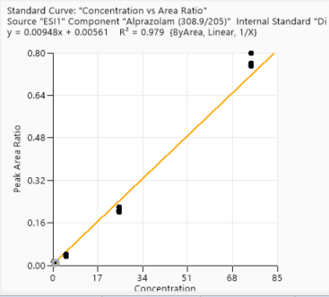
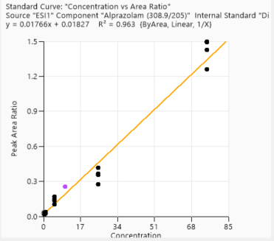
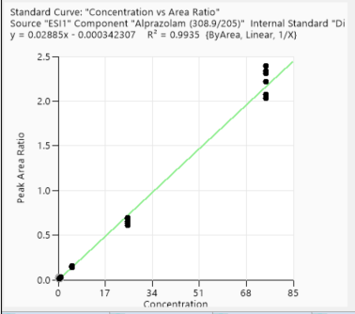
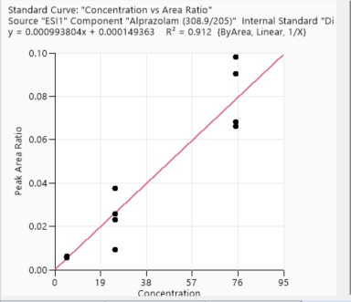
Calibration points data
 | 1st Day | 3rd Day | 2nd week | 4th week
Concentration of clabibration points/ppb | Peak area/IS Ratio | Peak area/IS Ratio | Peak area/IS Ratio | Peak area/IS Ratio
0.5 | 0.01746653 | 0.015844167 | 0.027854522 | N/A
0.5 | 0.012222598 | 0.01423087 | 0.017849574 | N/A
0.5 | 0.015565361 | 0.012316833 | 0.030672499 | N/A
0.5 | 0.012099361 | 0.015800835 | 0.03093868 | N/A
1 | 0.030507844 | 0.012572554 | 0.039017776 | N/A
1 | 0.029780505 | 0.009753948 | 0.033192389 | N/A
1 | 0.030159133 | 0.009279537 | 0.028401391 | N/A
1 | 0.029016805 | 0.009022215 | 0.031523958 | N/A
5 | 0.145907973 | 0.038494626 | 0.170469905 | 0.006062457
5 | 0.146851388 | 0.04268057 | 0.151205558 | 0.005247453
5 | 0.145313673 | 0.041984695 | 0.134339482 | 0.005380477
5 | 0.145940418 | 0.034225728 | 0.103651254 | N/A
25 | 0.61248418 | 0.199639423 | 0.367254122 | 0.035640282
25 | 0.651085775 | 0.208595117 | 0.355194805 | 0.024479625
25 | 0.689818978 | 0.202979544 | 0.417419012 | 0.02186485
25 | 0.691507291 | 0.218594167 | 0.274282401 | 0.008646514
75 | 2.216643035 | 0.797880658 | 1.260140406 | 0.093377211
75 | 2.313598029 | 0.750565406 | 1.491641663 | 0.064850843
75 | 2.333118293 | 0.761246967 | 1.426035503 | 0.085746258
75 | 2.398180905 | 0.75426517 | 1.495486936 | 0.062775871

Accuracy points data
 | 1st Day | 3rd Day | 2nd week | 4th week
Concentration of Accuracy points /ppb | Peak area/IS Ratio | Peak area/IS Ratio | Peak area/IS Ratio | Peak area/IS Ratio
2.5 | 0.075683856 | 0.022048766 | 0.035493092 | 0.000989283
2.5 | 0.072274954 | 0.029205952 | 0.024570611 | N/A
2.5 | 0.060027253 | 0.020205332 | 0.031325301 | N/A
2.5 | 0.067668897 | 0.028035254 | 0.047411708 | N/A
10 | 0.307802829 | 0.080435521 | 0.254005074 | 0.013172941
10 | 0.281794054 | 0.085382761 | 0.229374799 | 0.011948529
10 | 0.300022532 | 0.079980276 | 0.223888978 | 0.01056524
10 | 0.288801808 | 0.080937365 | 0.232553699 | 0.012888362
50 | 1.458629348 | 0.382695654 | 1.176589712 | 0.060290565
50 | 1.479021545 | 0.3697902 | 1.204774194 | 0.059980755
50 | 1.428593274 | 0.347644521 | 1.194754944 | 0.061871472
50 | 1.49222886 | 0.415485146 | 1.135750544 | 0.0498218

1st day
3rd day
2nd week
4th week

Omeprazole
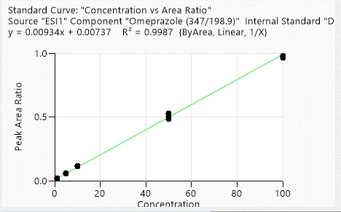
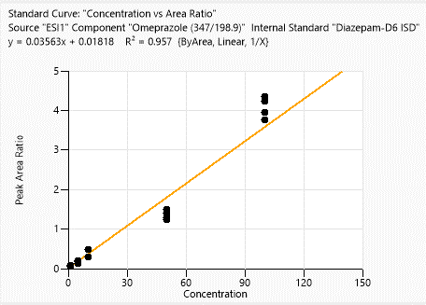
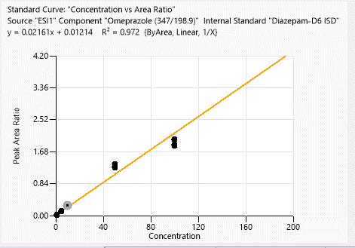
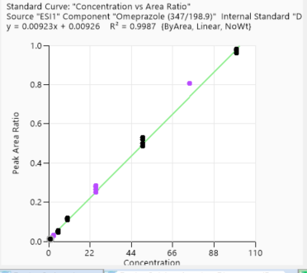
Calibration points data
 | 1st Day |  | 3rd Day | 2nd week | 4th week
Concentration of clabibration points/ppb | Peak area/IS Ratio |  | Peak area/IS Ratio | Peak area/IS Ratio | Peak area/IS Ratio
1 | 0.015081206 | 1 | 0.012644338 | 0.055337953 | 0.01743846
1 | 0.016613758 | 1 | 0.01105581 | 0.05332981 | 0.023700845
1 | 0.016492771 | 1 | 0.011978854 | 0.074185375 | N/A
1 | 0.015350224 | 1 | 0.01153068 | 0.080761379 | N/A
5 | 0.055074072 | 5 | 0.044941908 | 0.137314145 | 0.12257769
5 | 0.055876564 | 5 | 0.048181665 | 0.166571312 | 0.1139888
5 | 0.05401032 | 5 | 0.042902611 | 0.17896404 | 0.107903012
5 | 0.053750751 | 5 | 0.053750751 | 0.208326224 | N/A
10 | 0.110759494 | 10 | 0.110759494 | 0.284450888 | 0.286671546
10 | 0.10737794 | 10 | 0.111774478 | 0.30196584 | 0.287345201
10 | 0.105263807 | 10 | 0.105263807 | 0.293759025 | 0.299294885
10 | 0.107289928 | 10 | 0.114672602 | 0.481813842 | 0.276198732
50 | 0.495509587 | 50 | 0.495509587 | 1.285405697 | 1.25926304
50 | 0.473475781 | 50 | 0.473475781 | 1.231483871 | 1.289675327
50 | 0.461018119 | 50 | 0.461018119 | 1.412295787 | 1.349657931
50 | 0.502877249 | 50 | 0.502877249 | 1.49586657 | 1.262548263
100 | 0.931572165 | 100 | 0.931572165 | 3.750102138 | 1.833506356
100 | 0.927229 | 100 | 0.927229 | 4.232578916 | 2.003964393
100 | 0.933606383 | 100 | 0.933606383 | 3.949782923 | 1.994501779
100 | 0.91234015 | 100 | 0.91234015 | 4.349921011 | 1.878182491

Accuracy points data
 | 1st Day |  | 3rd Day | 2nd week | 4th week
Concentration of Accuracy points /ppb | Peak area/IS Ratio |  | Peak area/IS Ratio | Peak area/IS Ratio | Peak area/IS Ratio
2.5 | 0.030437875 | 2.5 | 0.027246366 | 0.277274893 | 0.154163232
2.5 | 0.030494991 | 2.5 | 0.02942693 | 0.31226145 | 0.190045631
2.5 | 0.02997153 | 2.5 | 0.027383315 | 0.265783133 | 0.207845897
2.5 | 0.029156665 | 2.5 | 0.029156665 | 0.269714562 | 0.214045607
25 | 0.239708534 | 25 | 0.239708534 | 1.445423536 | 1.470203067
25 | 0.231109759 | 25 | 0.262904085 | 1.683116883 | 1.471929053
25 | 0.249510439 | 25 | 0.249510439 | 1.337493362 | 1.546542026
25 | 0.253809458 | 25 | 0.269278866 | 1.471730937 | 1.323801743
75 | 0.759569477 | 75 | 0.765192221 | 3.976209048 | 4.163581517
75 | 0.799060822 | 75 | 0.763410044 | 3.945135019 | 3.813434364
75 | 0.807863967 | 75 | 0.763622788 | 4.407861369 | 3.978388586
75 | 0.796475935 | 75 | 0.835006614 | 4.74584323 | 3.609796469

1st day
3rd day
2nd week
4th week

Lorazepam
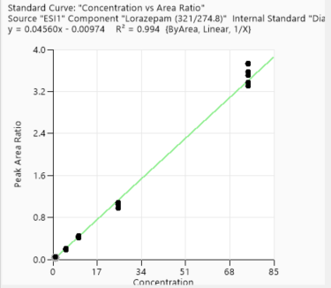
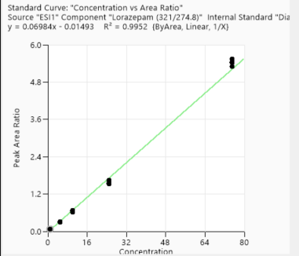
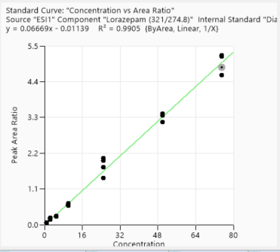
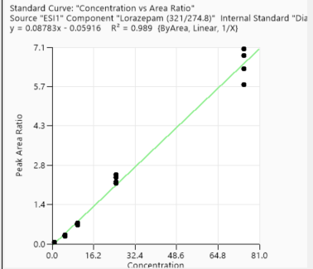
Calibration points data
 | 1st Day | 3rd Day |  | 2nd week | 4th week
Concentration of clabibration points/ppb | Peak area/IS Ratio | Peak area/IS Ratio |  | Peak area/IS Ratio | Peak area/IS Ratio
1 | 0.042719275 | 0.069231085 |  | 0.234407954 | 0.059094051
1 | 0.046105042 | 0.063220405 |  | 0.223731501 | 0.055106794
1 | 0.046224284 | 0.073818667 |  | 0.226327264 | N/A
1 | 0.044627785 | 0.065756875 |  | 0.212321364 | N/A
5 | 0.207870107 | 0.297510895 |  | 1.040947762 | 0.310544399
5 | 0.203866704 | 0.309776091 |  | 1.087617491 | 0.331383299
5 | 0.193185163 | 0.289802149 |  | 1.201975033 | 0.275047167
5 | 0.202845774 | 0.300722612 |  | 1.007592561 | N/A
10 | 0.404275267 | 0.652723216 |  | 2.290902501 | 0.681699675
10 | 0.417232877 | 0.684923123 |  | 2.316548501 | 0.722474845
10 | 0.422505709 | 0.669699211 |  | 2.242740253 | 0.712809206
10 | 0.414647242 | 0.625857911 |  | N/A | 0.749988594
25 | 1.072363461 | 1.536688702 |  | 8.308698124 | 2.194944053
25 | 1.083122664 | 1.595953449 |  | 8.392857143 | 2.501319261
25 | 1.040194873 | 1.515922032 |  | 7.245884227 | 2.246138002
25 | 1.039058294 | 1.639433097 |  | 7.698173384 | 2.394607843
75 | 3.306485288 | 5.312544707 |  | 19.763650546 | 5.742629919
75 | 3.380239224 | 5.54871122 |  | 21.90184312 | 6.334220766
75 | 3.582434293 | 5.417482648 |  | 21.085798817 | 7.03287173
75 | 3.502564154 | 5.437387647 |  | 20.557244656 | 6.790031878

Accuracy points data
 | 1st Day | 3rd Day |  | 2nd week | 4th week
Concentration of Accuracy points /ppb | Peak area/IS Ratio | Peak area/IS Ratio |  | Peak area/IS Ratio | Peak area/IS Ratio
2.5 | 0.119923453 | 0.200408513 | 2.5 | 0.778227727 | 0.151360264
2.5 | 0.113413463 | 0.194129346 | 2.5 | 0.799379771 | 0.167230015
2.5 | 0.121938503 | 0.18338366 | 2.5 | 0.821927711 | 0.150409007
2.5 | 0.114149284 | 0.176061397 | 2.5 | 0.864296081 | 0.135368402
50 | 2.027229069 | 3.142515686 | 50 | 12.598352909 | 3.328195706
50 | 2.12574693 | 3.095694875 | 50 | 11.600774194 | 3.503831213
50 | 2.051600423 | 3.052269198 | 50 | 12.437517913 | 3.528804815
50 | 2.129826606 | 3.156220751 | 50 | 12.351269036 | 3.40978616

1st day
3rd day
2nd week
4th week

Acetachlor
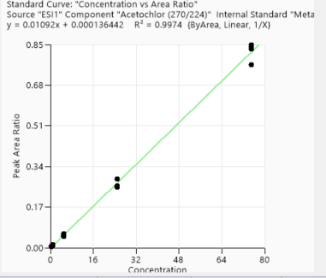
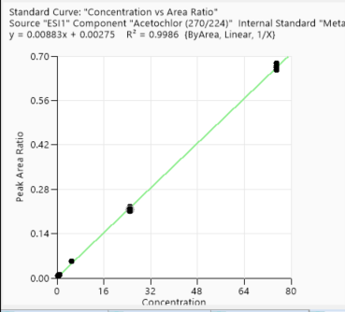
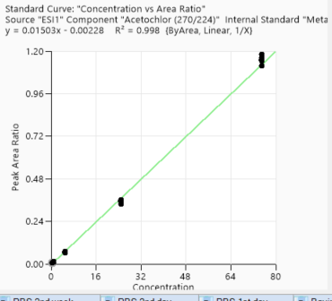
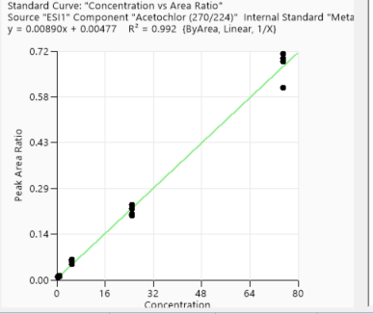
Calibration points data
 | 1st Day |  | 3rd Day | 2nd week | 4th week
Concentration of clabibration points/ppb | Peak area/IS Ratio |  | Peak area/IS Ratio | Peak area/IS Ratio | Peak area/IS Ratio
0.5 | 0.006988967 | 0.5 | 0.006005596 | 0.00958235 | 0.007159977
0.5 | 0.006037303 | 0.5 | 0.005039124 | 0.010665472 | 0.006416503
0.5 | 0.005571973 | 0.5 | 0.006471696 | 0.008344282 | 0.007621319
0.5 | 0.006728475 | 0.5 | 0.005821196 | 0.008949856 | N/A
1 | 0.014057976 | 1 | 0.01027869 | 0.013909239 | 0.010166254
1 | 0.013181754 | 1 | 0.010952974 | 0.011402954 | 0.010583274
1 | 0.012869325 | 1 | 0.009797644 | 0.010618953 | N/A
1 | 0.014574386 | 1 | 0.01255861 | 0.011850526 | N/A
5 | 0.070575629 | 5 | 0.051379137 | 0.055990052 | 0.053854328
5 | 0.066984442 | 5 | 0.058656159 | 0.06431623 | 0.052184568
5 | 0.066941688 | 5 | 0.047067279 | 0.049218367 | 0.053741518
5 | 0.067515995 | 5 | 0.055768789 | 0.062988238 | N/A
25 | 0.353397539 | 25 | 0.258488458 | 0.225214368 | 0.225779819
25 | 0.3566753 | 25 | 0.288086479 | 0.236602864 | 0.214834309
25 | 0.351124847 | 25 | 0.288149196 | 0.207614364 | 0.217122512
25 | 0.351822244 | 25 | 0.254035706 | 0.201470237 | 0.210982399
75 | 1.160241013 | 75 | 0.848118965 | 0.686425979 | 0.664189568
75 | 1.1436797 | 75 | 0.766730402 | 0.710676634 | 0.667539579
75 | 1.149548285 | 75 | 0.840562348 | 0.698099372 | 0.656618315
75 | 1.151541828 | 75 | 0.831477855 | 0.604463732 | 0.678639838

Accuracy points data
 | 1st Day |  | 3rd Day | 2nd week | 4th week
Concentration of Accuracy points /ppb | Peak area/IS Ratio |  | Peak area/IS Ratio | Peak area/IS Ratio | Peak area/IS Ratio
2.5 | 0.038604317 | 2.5 | 0.029717132 | 0.023798288 | 0.022571367
2.5 | 0.034259229 | 2.5 | 0.031828474 | 0.027075141 | 0.02544495
2.5 | 0.035811526 | 2.5 | 0.03446871 | 0.031940096 | 0.030765842
2.5 | 0.040933422 | 2.5 | 0.026112784 | 0.021247224 | 0.028640188
10 | 0.137176238 | 10 | 0.111585115 | 0.09593227 | 0.105695896
10 | 0.141101447 | 10 | 0.112134054 | 0.10084487 | 0.102604495
10 | 0.141447965 | 10 | 0.110178716 | 0.095993686 | 0.110059942
10 | 0.138004503 | 10 | 0.111996898 | 0.095079178 | 0.106106757
50 | 0.820034817 | 50 | 0.612080102 | 0.537030281 | 0.52559585
50 | 0.843092895 | 50 | 0.621165724 | 0.530296255 | 0.512672995
50 | 0.823251066 | 50 | 0.661340009 | 0.542637074 | 0.518935293
50 | 0.82372512 | 50 | 0.62309218 | 0.522464204 | 0.50261216

1st day
3rd day
2nd week
4th week

Cyprodinil
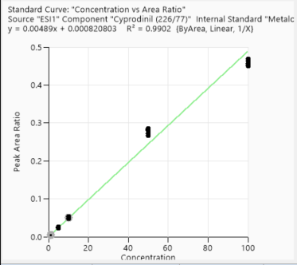
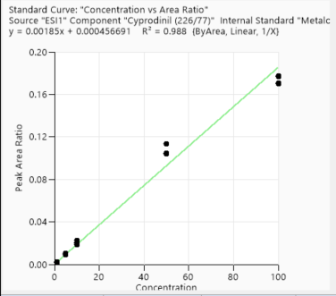
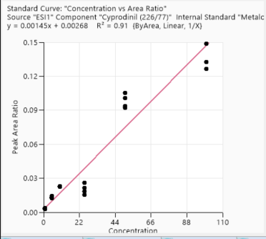
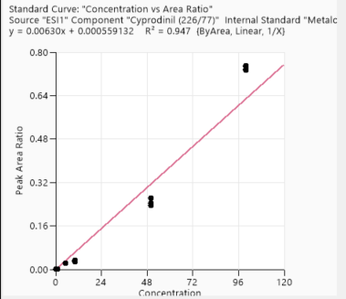
Calibration points data
 | 1st Day |  | 3rd Day | 2nd week | 4th week
Concentration of clabibration points/ppb | Peak area/IS Ratio |  | Peak area/IS Ratio | Peak area/IS Ratio | Peak area/IS Ratio
1 | 0.005056607 | 1 | 0.001846756 | 0.002952527 | 0.002070549
1 | 0.004614888 | 1 | 0.001786151 | 0.00325998 | 0.002676309
1 | 0.005260382 | 1 | 0.001999234 | 0.003235022 | N/A
1 | 0.004897523 | 1 | 0.00227574 | 0.003837775 | N/A
5 | 0.025810055 | 5 | 0.010542863 | 0.014249689 | 0.021586278
5 | 0.026081927 | 5 | 0.010535542 | 0.01319326 | 0.021653947
5 | 0.025799645 | 5 | 0.009192109 | 0.012470777 | 0.022621937
5 | 0.025061645 | 5 | 0.010603452 | 0.012777562 | N/A
10 | 0.051446839 | 10 | 0.018456886 | 0.023156867 | 0.027900344
10 | 0.051705055 | 10 | 0.020200022 | 0.022894137 | 0.028973444
10 | 0.05008894 | 10 | 0.022269897 | 0.02239936 | 0.033845943
10 | 0.052289439 | 10 | 0.02077344 | 0.022741109 | 0.030150043
50 | 0.28010593 | 50 | 0.104463422 | 0.105359966 | 0.262413867
50 | 0.2828634 | 50 | 0.103930888 | 0.100928593 | 0.242990468
50 | 0.285976192 | 50 | 0.113538937 | 0.093695821 | 0.235893696
50 | 0.282463975 | 50 | 0.099113917 | 0.09237929 | 0.24328675
100 | 0.46322703 | 100 | 0.169834279 | 0.148583221 | 0.733440324
100 | 0.450875329 | 100 | 0.176477071 | 0.132644626 | 0.747833619
100 | 0.45308975 | 100 | 0.177332701 | 0.132498553 | 0.737736291
100 | 0.457284634 | 100 | 0.1705479 | 0.126298029 | 0.751460893

Accuracy points data
 | 1st Day |  | 3rd Day | 2nd week | 4th week
Concentration of Accuracy points /ppb | Peak area/IS Ratio |  | Peak area/IS Ratio | Peak area/IS Ratio | Peak area/IS Ratio
2.5 | 0.011127808 | 2.5 | 0.003623095 | 0.002155365 | 0.006859844
2.5 | 0.012080747 | 2.5 | 0.00396572 | 0.003985546 | 0.006749419
2.5 | 0.011615376 | 2.5 | 0.003999737 | 0.001607581 | 0.012646862
2.5 | 0.011561524 | 2.5 | 0.004269254 | 0.002355801 | 0.005079546
25 | 0.119613378 | 25 | 0.037769426 | 0.021485268 | 0.061007766
25 | 0.124228567 | 25 | 0.045567545 | 0.015190682 | 0.05831775
25 | 0.116984891 | 25 | 0.040828571 | 0.026002086 | 0.058435967
25 | 0.118698016 | 25 | 0.039520548 | 0.018422783 | 0.059659574
75 | 0.38231371 | 75 | 0.129936711 | 0.049138995 | 0.222436437
75 | 0.376647334 | 75 | 0.124261785 | 0.045773433 | 0.228671464
75 | 0.374020838 | 75 | 0.12448837 | 0.044433874 | 0.21720096
75 | 0.377732452 | 75 | 0.123715768 | 0.057896526 | 0.231815627

1st day
3rd day
2nd week
4th week

Chloropyrifos methyl
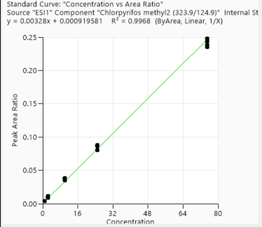
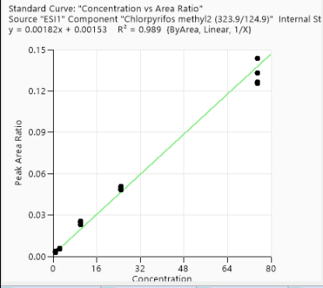
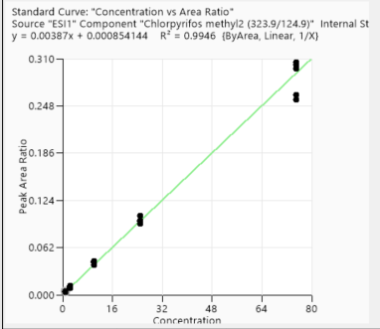
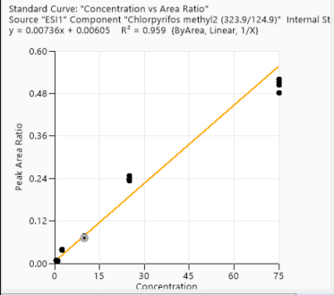
Calibration points data
 | 1st Day |  | 3rd Day | 2nd week | 4th week
Concentration of clabibration points/ppb | Peak area/IS Ratio |  | Peak area/IS Ratio | Peak area/IS Ratio | Peak area/IS Ratio
1 | 0.004658581 |  | 0.003785709 | 0.003025675 | 0.008350177
1 | 0.003964861 |  | 0.003669005 | 0.003741304 | 0.007109258
1 | 0.004318046 |  | 0.003623786 | 0.00257956 | 0.008194845
1 | 0.003798804 |  | 0.003637821 | 0.003027524 | 0.007381323
2.5 | 0.011421353 | 2.5 | 0.009090047 | 0.005943195 | 0.038431658
2.5 | 0.011522835 | 2.5 | 0.01115582 | 0.005739186 | 0.038315517
2.5 | 0.011828593 | 2.5 | 0.008468228 | 0.005612432 | 0.037076567
2.5 | 0.011420506 | 2.5 | 0.009394151 | 0.00520677 | 0.036493736
10 | 0.042147216 |  | 0.037578773 | 0.023000761 | 0.076354527
10 | 0.044092362 |  | 0.03812794 | 0.024256719 | 0.07668465
10 | 0.04286272 |  | 0.037841105 | 0.025499271 | 0.076970525
10 | 0.042367455 |  | 0.034914511 | 0.023177521 | 0.071893857
25 | 0.093281117 |  | 0.086304421 | 0.050658688 | 0.248190098
25 | 0.097853139 |  | 0.086051505 | 0.04955125 | 0.240370296
25 | 0.097349969 |  | 0.087952845 | 0.048278945 | 0.237115546
25 | 0.096462389 |  | 0.080528229 | 0.048798709 | 0.232796274
75 | 0.302120068 |  | 0.247834098 | 0.125601273 | 0.503330062
75 | 0.297257368 |  | 0.243567513 | 0.126375311 | 0.520340354
75 | 0.305334246 |  | 0.238976349 | 0.132964703 | 0.512352977
75 | 0.305222502 |  | 0.23492853 | 0.143811371 | 0.481703797

Accuracy points data
 | 1st Day |  | 3rd Day | 2nd week | 4th week
Concentration of Accuracy points /ppb | Peak area/IS Ratio |  | Peak area/IS Ratio | Peak area/IS Ratio | Peak area/IS Ratio
5 | 0.01991571 |  | 0.01614305 | 0.01316661 | 0.033353405
5 | 0.019966716 |  | 0.017562663 | 0.013127646 | 0.031937833
5 | 0.019651753 |  | 0.017100904 | 0.012194424 | 0.034419981
5 | 0.019367874 |  | 0.01789268 | 0.011989143 | N/A
50 | 0.243752048 | 50 | 0.213535649 | 0.125060805 | 0.38590444
50 | 0.250451182 | 50 | 0.222379408 | 0.126197136 | 0.375177814
50 | 0.242180732 | 50 | 0.220231174 | 0.116078473 | 0.392506192
50 | 0.245025551 | 50 | 0.204980287 | 0.122070811 | 0.388499967

1st day
3rd day
2nd week
4th week

Atrazine
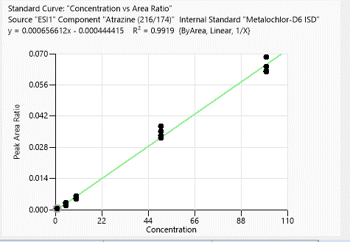
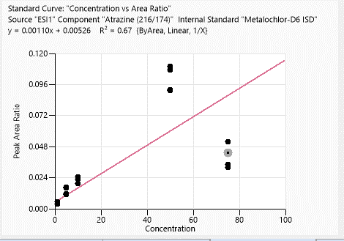
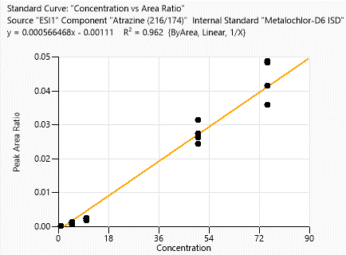
Calibration points data
 | 1st Day |  | 3rd Day |  | 2nd week |  | 4th week
Concentration of clabibration points/ppb | Peak area/IS Ratio |  | Peak area/IS Ratio |  | Peak area/IS Ratio |  | Peak area/IS Ratio
1 | 0.001008264 | 1 | 0.000512747 | 1 | 0.005559262 | 1 | 0.000041829
1 | 0.001191704 | 1 | 0.000650931 | 1 | 0.005368968 | 1 | 0.000125398
1 | 0.001272656 | 1 | 0.000529677 | 1 | 0.005389354 | 1 | N/A
1 | 0.001639885 | 1 | 0.000660666 | 1 | 0.00382322 | 1 | N/A
5 | 0.01099365 | 5 | 0.011079494 | 5 | 0.016880687 | 5 | 0.001266561
5 | 0.011784742 | 5 | 0.011933908 | 5 | 0.015917453 | 5 | 0.000977379
5 | 0.00843182 | 5 | 0.007612719 | 5 | 0.011629268 | 5 | 0.000551841
5 | 0.008299606 | 5 | 0.008385614 | 5 | 0.010797467 | 5 | N/A
10 | 0.01975255 | 10 | 0.019860323 | 10 | 0.024717929 | 10 | 0.002517455
10 | 0.023469018 | 10 | 0.023469018 | 10 | 0.022904512 | 10 | 0.001835734
10 | 0.018111303 | 10 | 0.018133629 | 10 | 0.019428016 | 10 | 0.002301208
10 | 0.01862443 | 10 | 0.018685463 | 10 | 0.019792576 | 10 | 0.002180128
50 | 0.137348635 | 50 | 0.137348635 | 50 | 0.10733613 | 50 | 0.031486336
50 | 0.130632216 | 50 | 0.153548296 | 50 | 0.110245718 | 50 | 0.027566173
50 | 0.128283003 | 50 | 0.128283003 | 50 | 0.09158101 | 50 | 0.026344616
50 | 0.126061636 | 50 | 0.151575554 | 50 | 0.09219223 | 50 | 0.024446549
100 | 0.265109455 | 100 | 0.269727234 | 100 | 0.051731846 | 100 | 0.048509846
100 | 0.248780748 | 100 | 0.254246879 | 100 | 0.032202415 | 100 | 0.041526255
100 | 0.242893617 | 100 | 0.242893617 | 100 | 0.034227164 | 100 | 0.048968063
100 | 0.252925312 | 100 | 0.254022554 | 100 | 0.043317401 | 100 | 0.035938629

Accuracy points data
 | 1st Day |  | 3rd Day |  | 2nd week |  | 4th week
Concentration of Accuracy points /ppb | Peak area/IS Ratio |  | Peak area/IS Ratio |  | Peak area/IS Ratio |  | Peak area/IS Ratio
2.5 | 0.004832856 | 2.5 | 0.004486349 | 2.5 | 0.001606958 | 2.5 | N/A
2.5 | 0.004824691 | 2.5 | 0.003977608 | 2.5 | 0.00131523 | 2.5 | N/A
2.5 | 0.004658787 | 2.5 | 0.005107411 | 2.5 | 0.002806216 | 2.5 | N/A
2.5 | 0.004976258 | 2.5 | 0.005624573 | 2.5 | 0.002325791 | 2.5 | N/A
25 | 0.062319712 | 25 | 0.062319712 | 25 | 0.012204075 | 25 | 0.007972342
25 | 0.060774321 | 25 | 0.060774321 | 25 | 0.013215603 | 25 | 0.004433399
25 | 0.062693941 | 25 | 0.062693941 | 25 | 0.014006854 | 25 | 0.006206403
25 | 0.213331559 | 25 | 0.051780835 | 25 | 0.00669376 | 25 | 0.005367263
75 | 0.204823645 | 75 | 0.230382779 | 75 |  | 75
75 | 0.197294958 | 75 | 0.201008235 | 75 |  | 75
75 | 0.21180002 | 75 | 0.192729988 | 75 |  | 75
75 | 0.21180002 | 75 | 0.206644507 | 75 |  | 75

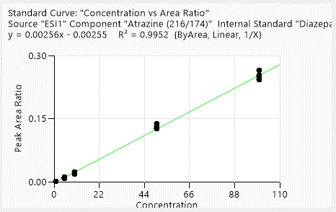

3rd day
2nd week
4th week

Methaqualone
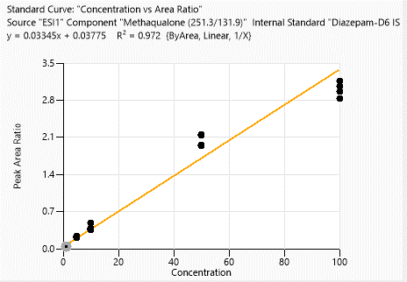
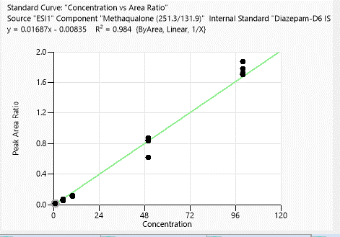
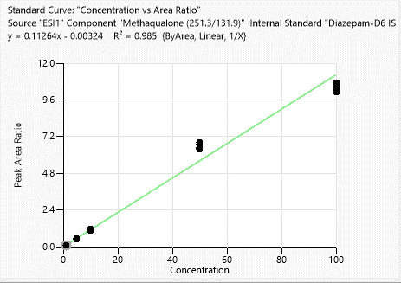
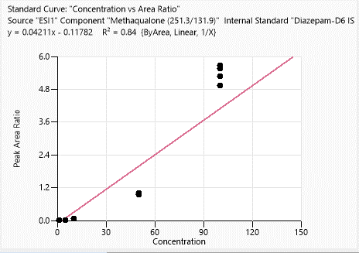
Calibration points data
 | 1st Day | 3rd Day | 2nd week | 4th week
Concentration of clabibration points/ppb | Peak area/IS Ratio | Peak area/IS Ratio | Peak area/IS Ratio | Peak area/IS Ratio
1 | 0.10255638 | 0.013044281 | 0.068030125 | 0.008320485
1 | 0.111132824 | 0.014640937 | 0.060329608 | 0.005988422
1 | 0.111967678 | 0.018762796 | 0.065007512 | N/A
1 | 0.104737282 | 0.015123049 | 0.048125794 | N/A
5 | 0.492812285 | 0.063527477 | 0.247540515 | 0.023135069
5 | 0.517638071 | 0.069264241 | 0.242274394 | 0.0246792
5 | 0.521728446 | 0.070559829 | 0.225630215 | 0.024582489
5 | 0.509177724 | 0.054102739 | 0.207271364 | N/A
10 | 1.122388628 | 0.11837383 | 0.49033806 | 0.069340896
10 | 1.110780376 | 0.104942358 | 0.380382496 | 0.066660217
10 | 1.143168295 | 0.115150394 | 0.3551957 | 0.071866602
10 | 1.129732026 | 0.116750139 | 0.373892922 | 0.0717186
50 | 6.709807325 | 0.835304663 | 2.154982115 | 0.957538022
50 | 6.462094411 | 0.845166854 | 2.136275411 | 0.995295627
50 | 6.837530731 | 0.621432269 | 1.952846095 | 0.947698979
50 | 6.830516295 | 0.871477103 | 1.938023709 | 0.955858331
100 | 10.27398374 | 1.777609536 | 3.057346253 | 5.274460083
100 | 10.728702898 | 1.874677607 | 3.167838895 | 5.687101308
100 | 10.108401987 | 1.724840426 | 2.961114215 | 5.551903915
100 | 10.348579052 | 1.707170992 | 2.834464518 | 4.927387078

Accuracy points data
 | 1st Day | 3rd Day | 2nd week | 4th week
Concentration of Accuracy points /ppb | Peak area/IS Ratio | Peak area/IS Ratio | Peak area/IS Ratio | Peak area/IS Ratio
2.5 | 0.302079409 | 0.035854321 | 0.036725683 | N/A
2.5 | 0.307873689 | 0.03314673 | 0.031533015 | N/A
2.5 | 0.305989817 | 0.044603572 | 0.032293427 | N/A
2.5 | 0.28090052 | 0.0454872 | 0.02946817 | 0.039520305
25 | 2.648655853 | 0.397205529 | 0.266818182 | 0.210526316
25 | 2.610756943 | 0.34146193 | 0.293803327 | 0.215772501
25 | 2.773417381 | 0.359292622 | 0.26863827 | 0.227996514
25 | 2.777291779 | 0.310654131 | 0.272915296 | 0.148897059
75 | 8.954071882 | 1.57049224 | 1.070789533 | 2.188674071
75 | 8.979977564 | 1.519241061 | 0.919903692 | 1.990852618
75 | 8.657936047 | 1.508323858 | 0.850499198 | 2.209469856
75 | 8.984877271 | 1.749431876 | 0.954462337 | 1.906878372

1st day
3rd day
2nd week
4th week

